Sheet1
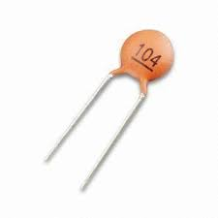
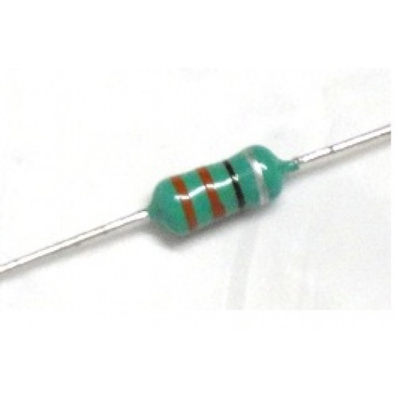
Value | Discription | Quantity | Ceramic Capacitor | Inductor
4.7 uH | Inductor through Hole | 5
10uF | Disc_Solid_ceramic_Capacitors_ThroughHole | 9
100nF | Disc_Solid_ceramic_Capacitors_ThroughHole | 20
270k | Resistors_ThroughHole 1/4 Watt | 3
100k | Resistors_ThroughHole 1/4 Watt | 8
1uf | Disc_Solid_ceramic_Capacitors_ThroughHole | 8
10nF | Disc_Solid_ceramic_Capacitors_ThroughHole | 5
392k | Resistors_ThroughHole 1/4 Watt | 5
1k | Resistors_ThroughHole 1/4 Watt | 5
22uF | Disc_Solid_ceramic_Capacitors_ThroughHole | 5
10k | Resistors_ThroughHole 1/4 Watt | 6

